Procedures
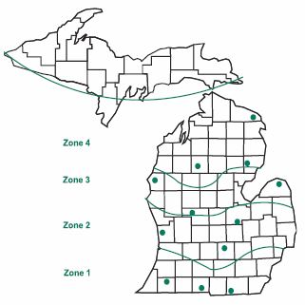
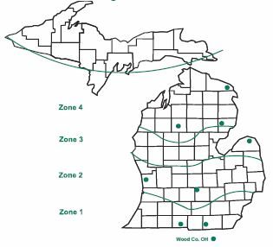
Grain Locations Map Silage Locations Map

1) How To Use This Form
How To Use This Form

Step 1: | Fill Out the following Company and Contact Information below. The information entered below will be copied to subsequent forms or worksheets

COMPANY INFORMATION

Contact Information
Complete the company information form - this information is printed in the bulletin.
Complete or update the contact information form - this is needed so that we can keep you informed about the trials - we will send you timely harvest data.
Fill in today's date.
COMPANY NAME:
ADDRESS:
CITY: |  | STATE: |  | ZIP:
TELEPHONE: |  | FAX:
CO. WEBSITE:
BRAND:

CONTACT INFORMATION

NAME:
ADDRESS:
CITY: |  | STATE: |  | ZIP:
TELEPHONE: |  | FAX:
CELL PHONE:
E-mail: |  |  | Date:

Step 2: | Enter hybrids in the “2022 Entry Form” worksheet. Fill in the Relative Maturity (RM), GDD to silking and GDD to Black Layer for each hybrid. Place a “1" in the appropriate zones matching Relatives Maturity (RM) of hybrid to zones. Please note that seed treatment and transgenic trait information will now be entered on their own designated worksheets.
Step 3: | Go to the “Seed Treatments” worksheet -- hybrid name will be populated here. Enter the name(s) of ALL fungicide and insecticide seed treatments. Please note that the 2022 Bulletin will NOT include seed treatment information - this list is strictly for the safe handling of all incoming seed.
Step 4: | Go to the "Traits Table" worksheet -- hybrid name will be populated here. Enter the trait package that corresponds with each hybrid. Next, using the "Traits Table", list all traits that correspond with each trait package. Under the "Other" column, please be sure to list any trait characteristcis not found in the "Traits Table" that you would like to appear in the final bulletin.
Step 5: | Use the save as command to save the workbook. Insert your brand name (2022 "Brand Name" MSU Corn Entry form.xls) into the file name.
Step 6: | Print a copy of all worksheets for your files.
Step 7: | Submit a copy of the "Invoice" to your accounts payable department for payment.
Step 8: | E-mail a copy of the new file to Micalah Blohm at the following e-mail address: blohmmic@msu.edu by the March 15, 2022 deadline date.
Step 9: | Print a copy of the “Seed List” worksheet for packaging the correct amount of seed.

2) 2022 Entry Form
COMPANY NAME:
ADDRESS: |  |  |  |  |  |  |  | 2022 Michigan State University
CITY: STATE: ZIP: |  |  |  |  |  |  |  | Corn Performance Trials
TELEPHONE: FAX: |  |  |  |  |  |  |  | Entry Application Form
CELL: E-mail:
Office Use Only Code Number |  |  |  |  | GRAIN TRIALS |  |  |  |  | SILAGE TRIALS
 | BRAND NAME: |  |  |  | ZONE 1 | ZONE 2 | ZONE 3 | ZONE 4 | CONV. | ZONE 1 | ZONE 2/3 | ZONE 4 | 1 Relative Maturity in Days (RM)
 |  |  |  |  | 107/1083 | 101/1023 | 97/983 | 89/903 | 101/1023 | 110/1113 | 104/1053 | 97/983 | 2 Growing Degrees Units from planting to Silking (Silk) and Physiological maturity (Black layer, BL)
 |  | RM Days1 | Growing Degree Units2 |  | Branch | Allegan | Huron | Iosco | Z2 Ingham | Lenawee | Z3 Huron | Iosco | * information requested for agronomic research purposes, including estimating field dry down rates.
 |  |  |  |  | Cass | Ingham | Montcalm | Presque Isle | Z3 Montcalm | Branch | Z2 Ingham | Presque Isle | 3 Relative Matruity Split between Early and Late trials within the zone
 | List Hybrid NUMBERS below: |  | Silk | BL | Washtenaw | Saginaw | Mason | Wexford | Z2 Saginaw | Wood (OH) | Z2 Ottawa | Wexford
Grain Performance Trials
Enter Hybrids on this form that you wish to test in the Michigan Corn Grain Performance Trials.
All hybrids entered must be Glyphosate Resistant. Use the Conventional form for Conventional Hybrids.
1
2
3
4
5
6
7
8
9
10
11
12
Silage Performance Trials
Enter Hybrids on this form that you wish to test in the Michigan Corn Silage Performance Trials.
Hybrids entered here can be
Glyphosate Resistant OR Conventional.
13
14
15
16
17
18
19
20
21
22
23
Conventional Grain Trials
Enter only the hybrids that you wish to enter into the Conventioanl Trial.
The Conventional Trials will be utilizing conventional herbicide practices only.
24
25
26
27
28
29
30
31
32
33
34
35
36
37
TOTAL ENTRIES PER ZONE: |  |  |  |  | 0 | 0 | 0 | 0 | 0 | 0 | 0 | 0

I hereby certify that all seed treatment product(s) applied is(are) correctly identified on this form and that no other seed treatment product(s) have been applied. |  |  |  |  | Corn Grain Trials |  |  | 0 | entries @ $275.00 |  | $0.00
 |  |  |  |  | Conventional Grain Trials |  |  | 0 | entries @ $275.00 |  | $0.00
 |  |  |  |  | Corn Silage Trials |  |  | 0 | entries @ $440.00 |  | $0.00
 |  |  |  |  |  |  |  |  | TOTAL FEES |  | $0.00
Signature: |  |  |  |  | Web Site:

4) Traits Table
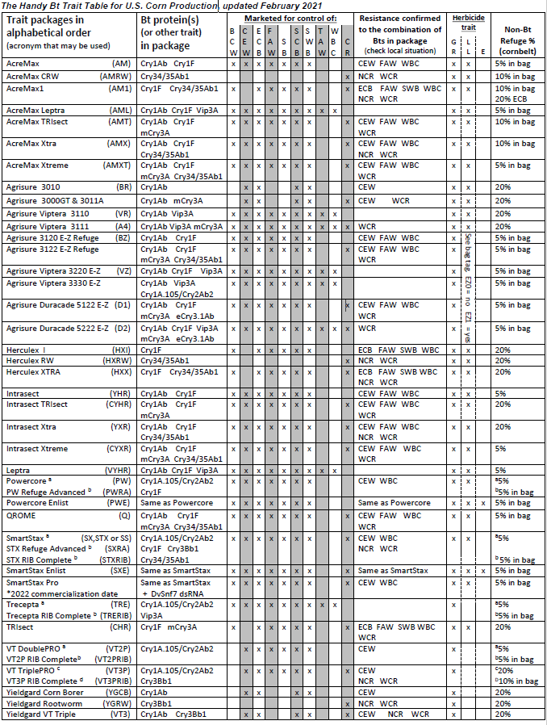
Trait Package |  |  |  |  |  |  | The Handy Bt Trait Table can be used as a guide in filling the information requested
Hybrid1 | Trait Package1 | Trait(s)2 | Other3 |  | Traits Table
 |  |  |  |  | Code | Traits
 |  |  |  |  | CONV | Conventional
 |  |  |  |  | GT | Glyphosate Tolerant (RR)
 |  |  |  |  | LL | Liberty Link
 |  |  |  |  | CB | Corn Borer
 |  |  |  |  | RW | Corn Rootworm
 |  |  |  |  | DT | Drought Tolerant

 |  |  |  | 1 | Provide the name of the trait package
 |  |  |  | 2 | Using the "Traits" table above, list all codes that apply to the hybrid trait package

 |  |  |  | 3 | List all other hybrid traits not included in the Traits table that you would like to be included in the bulletin

Shipping Label
,

Ship To:
Micalah Blohm
Michigan State University
Agronomy Farm
4450 Beaumont Road
Lansing, MI 48910

